Foglio1
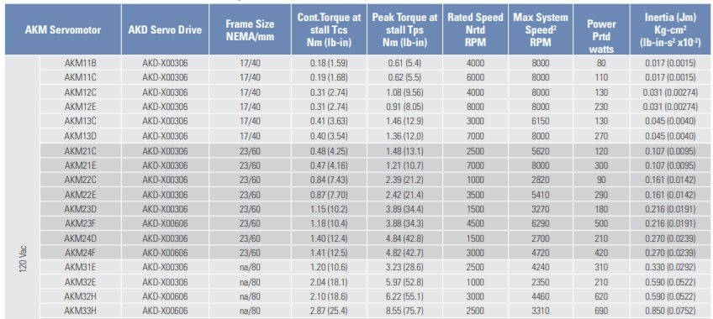
Motors | Tcs (Standard Continuous Torque) | Weight | Dimensions | Power

AKM1x | 0.4 Nm
AKM2x | 1.14 Nm
AKM3x
AKM32E | 2.04 Nm | 2.23 Kg | 24 x 11 x 7,5 cm | 120V / 210 Watt
AKM33H | 2.87 Nm | 2.9 kg | 30 x 11 x 7,5 cm | 120V / 690 Watt

 |  |  |  |  | Info regarding the Servo Drive https://www.electromate.com/pub/media/assets/catalog-library/pdfs/kollmorgen/Kollmorgen_AKM_Motor_with_%20AKD_Drive_Selection_Guide.pdf
 |  |  |  |  | Note: rememeber that 2.87 Nm = 287 Ncm this means that the real value is approximate 140 Ncm. Usually the arm is longer that 1 cm, this means that the ctual torque applied by the motor is less than the real one. Since we want to apply a force similar to 45 N, we should use the last two motors
 |  |  |  |  | Problems: Batteries, Connector Options

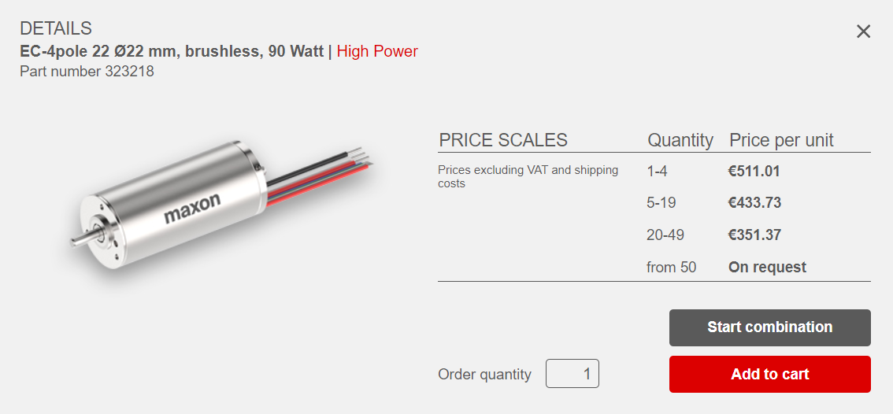
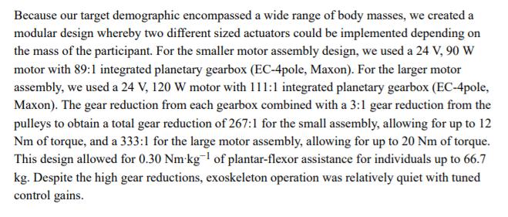
Maxon | maximum 80 mNm |  |  | 48V / 45W | https://www.ncbi.nlm.nih.gov/pmc/articles/PMC6217810/pdf/nihms-1510038.pdf
 |  |  |  |  | In this study they utilized Motors that require way less energy to be powered but the torque erogated is too low.
 |  |  |  |  |  | integrated planetary grearbox

 |  |  |  |  | Too expensive
 |  |  |  |  | Too many components required
 |  |  |  |  | LabView integration unknown
 |  |  |  |  | https://www.maxongroup.com/maxon/view/category/motor?etcc_cu=onsite&etcc_med_onsite=Product&etcc_cmp_onsite=EC+Program&etcc_plc=product_overview_brushlessdcmotors_ec4pole&etcc_var=%5bcom%5d%23en%23_d_&target=filter&filterCategory=ec

Kollmorgen | AKM2G Servo Motors | https://www.kollmorgen.com/sites/default/files/AKM2G-LowVoltage_selection-guide_revB.pdf
AKM2G-2x
24 Vdc

 | Why KL and ML doesn't have any info about the torque? They doesn’t have the 24Vdc version
 | Is "rated torque" equal to the "continuos torque"?

 | AKM2G-24 has 1.77 Nm torque. This means that It will pull around 177 Ncm.
 | Is this measure real? Or there is some kind of conditions?
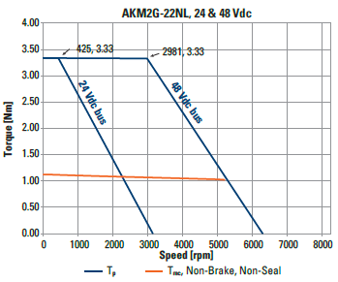
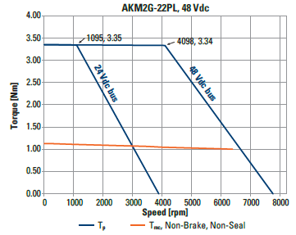

 | What's the difference between NL and PL? They have the same torque but the speed is higher in the PL one. This means that the energy is higher
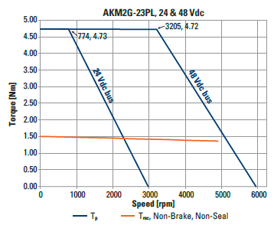

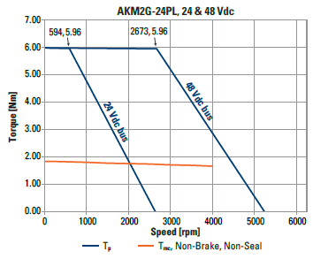

 | Dimensional Drawings
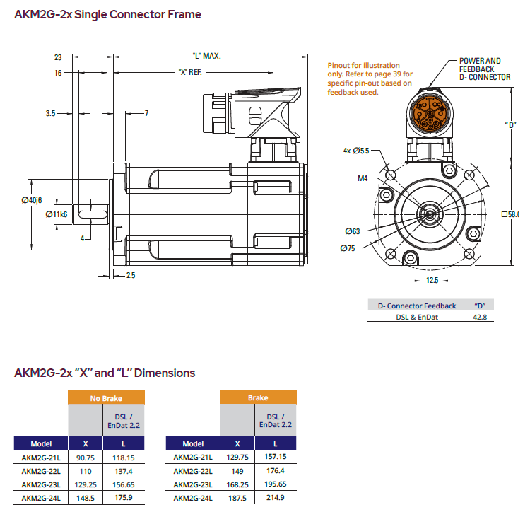
 |  |  |  |  | 10 high
 |  |  |  |  | 2.3 + 17.5 = around 20 cm long without brake
 |  |  |  |  | 2.3 + 20.3 = around 23 cm long with brake
 |  |  |  |  | 6 cm large

 | the Brake
 | The holding brake is designed to provide static holding torque to the motor shaft with the brake coil de-energized.

 | Heat Performances
 | Does it turns to be hot after few time?

 | Energy Consumption
 | Battery dimension


Da terminare

